Dropdown
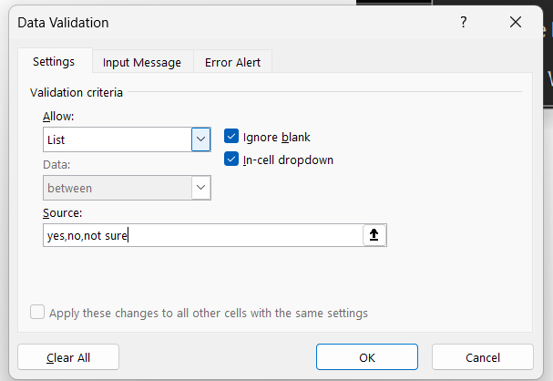
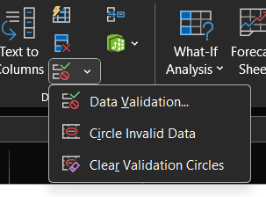
 | Create a drop down list and provide your answer with "Yes","No","Not sure"
Questions |  | drop down list
Do you have any pets? |  | yes
Do you have brothers or sisters? |  | no
Have you heard of [RRR Movie]? |  | yes
Do you have a favorite book? |  | yes
Do you have a favorite sport? |  | yes
Do you have a favorite childhood memory? |  | yes
Do you have any hobbies? |  | yes

Dropdown OPT
Marketing | Support | Sales | Create a dropdown list of department and display the employee Name
Ayub | Ram | Lucky
Sameer | Sham | Charan
Kumar | Gita | Arjun
Krishna | Sita | Suresh

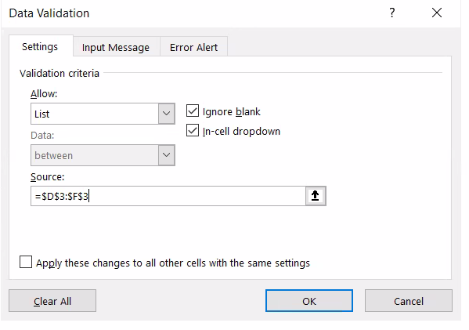
Marketing

